Directions
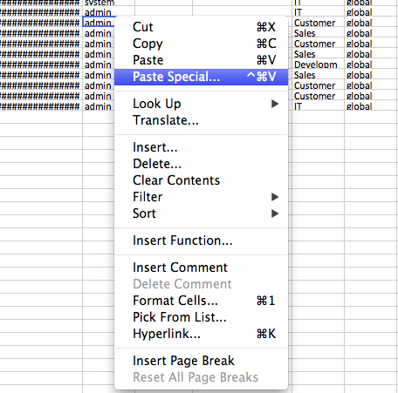
Importing New Data

 | Quick Start Guide

 | This is a guide to demonstrate the basics of adding new records to a table.

 | Note: If you want to update existing records, use the Update Template instead.

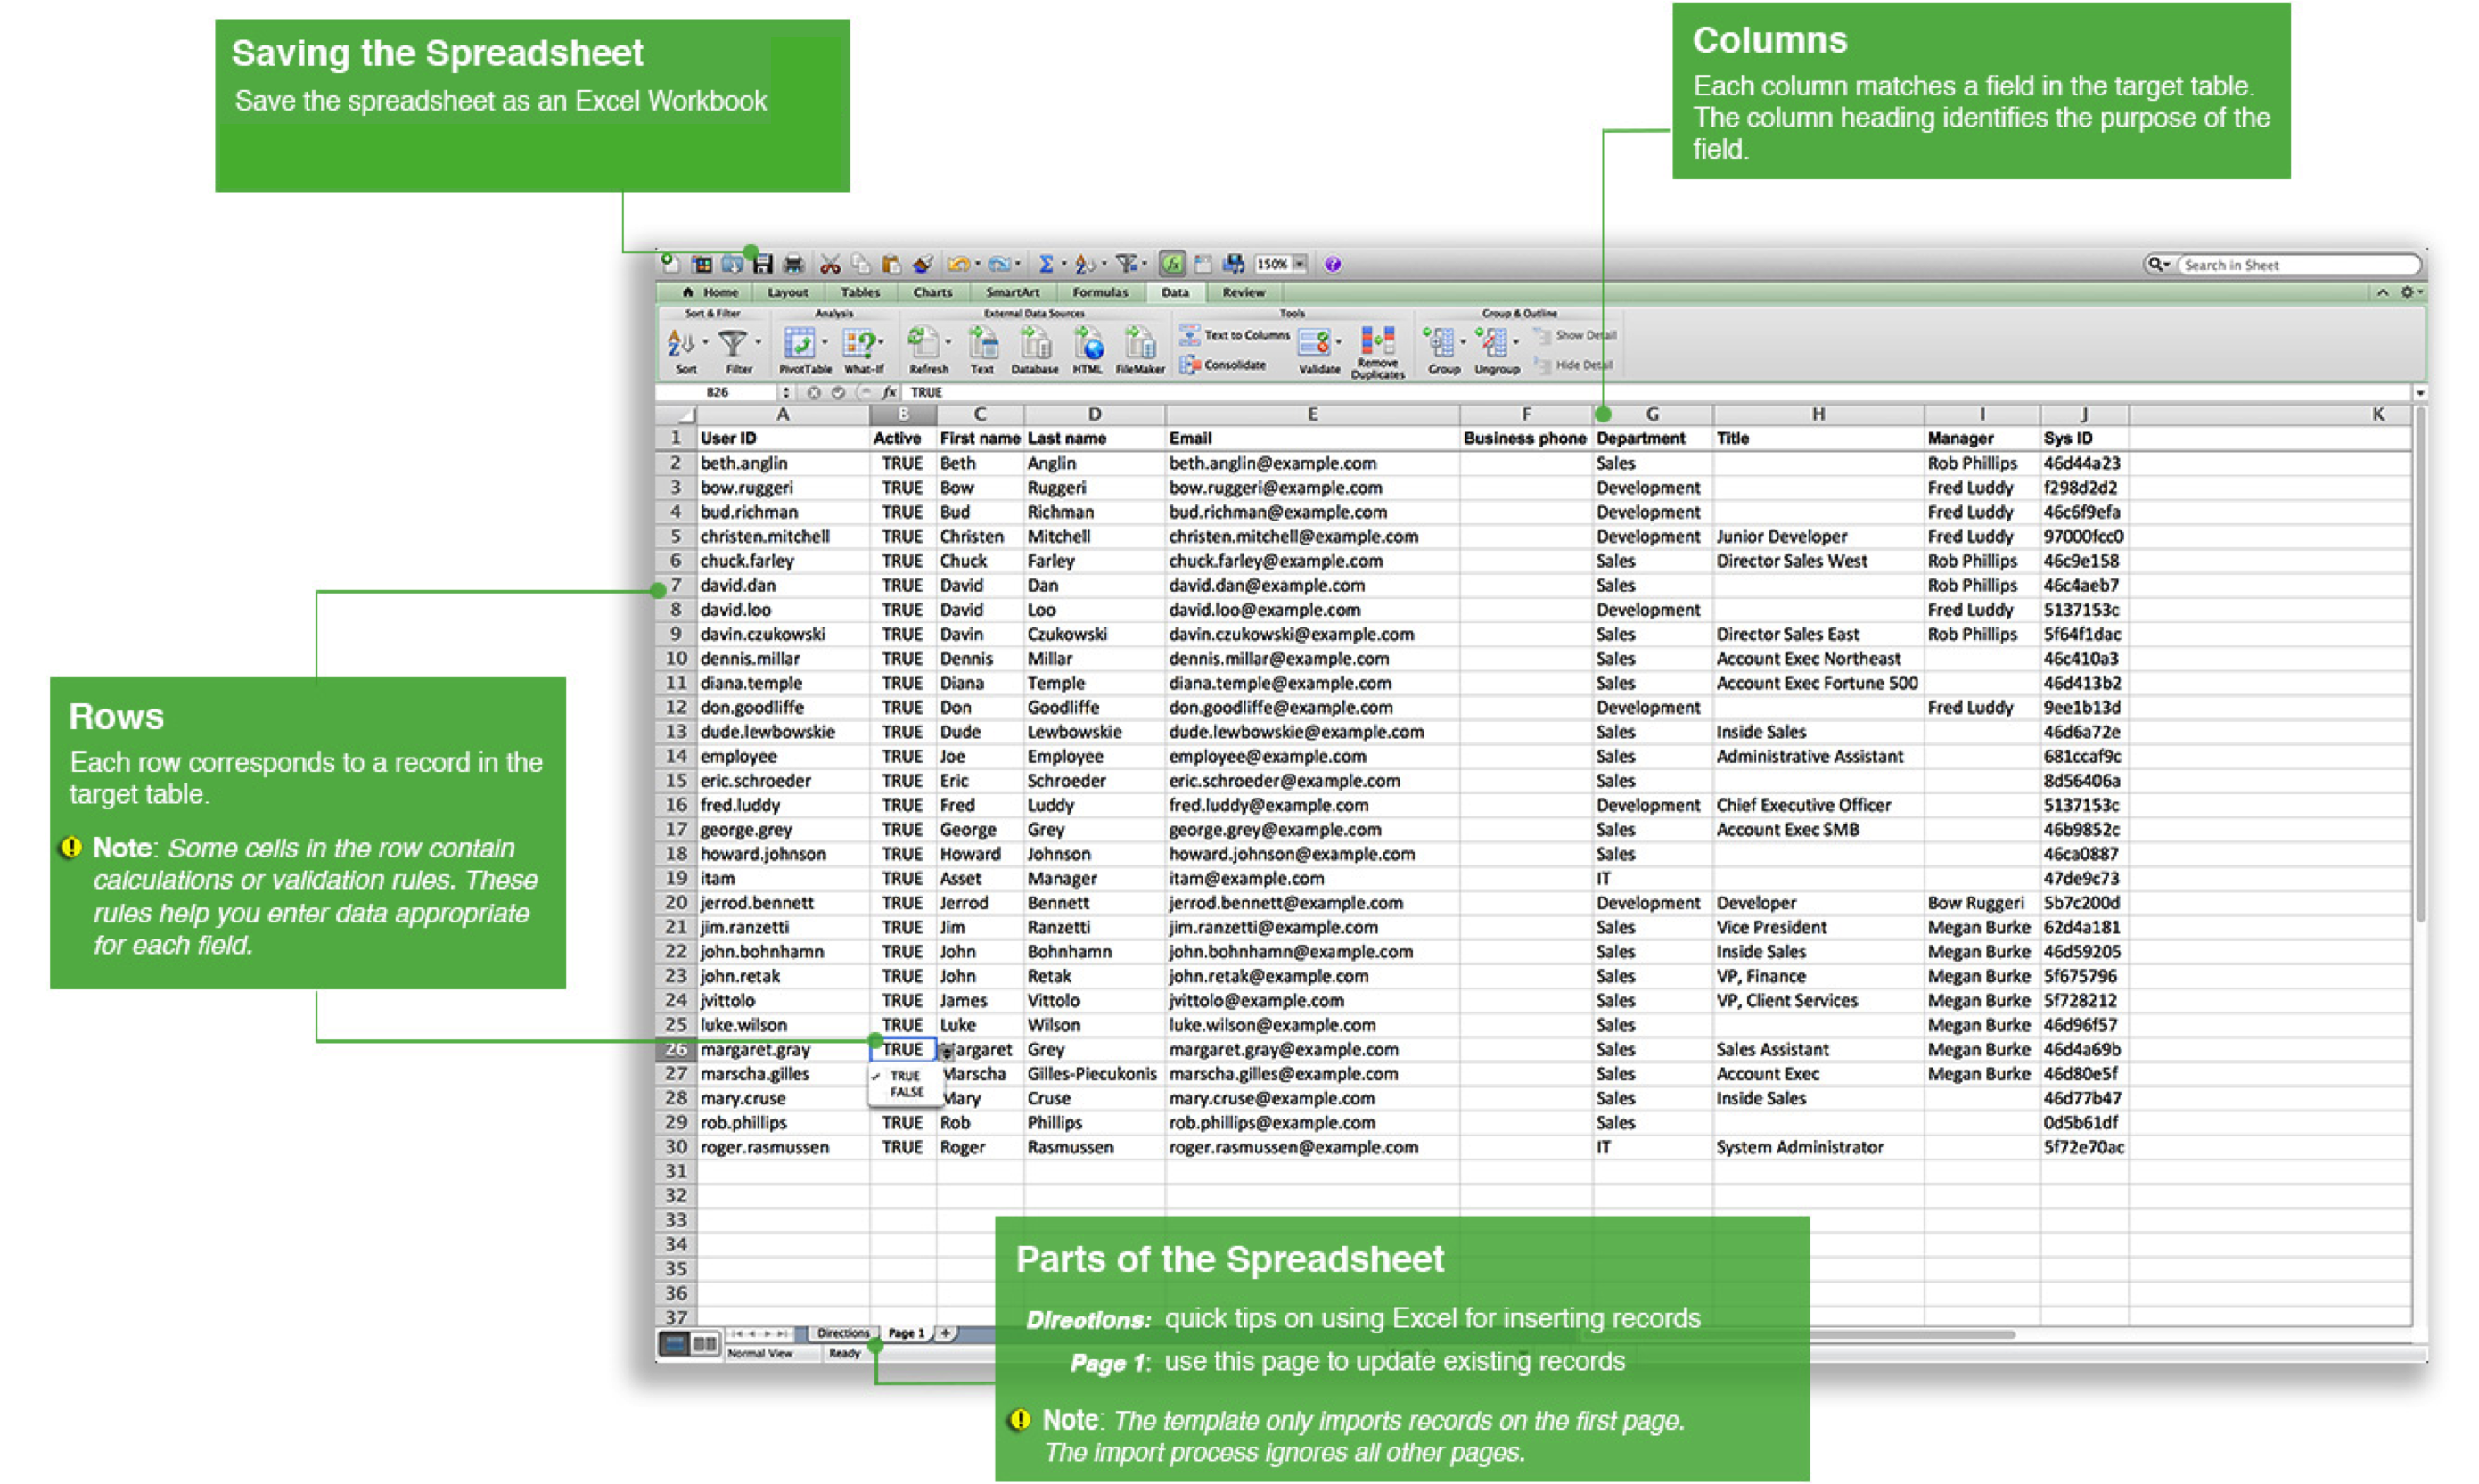

 | Adding Records

 | Add a row for each record you want to add to the table.

 | You do not have to add data for every column.

 | If you want to paste data from another spreadsheet, use the Paste Special command and paste values only to match the existing formatting.

